NX Utility Index
Explanation of the NX Utility Index |  |  |  |  |  |  |  |  |  | Graphical representation of the NX Utility index
 | With the NX Utility index (NX Ui) the quality is divided with the price, as a result the buyer knows how much quality he gets per euro. |  |  |  |  |  |  |  |  | Figure 1, the direction for better performance. With N = 1, Qbest = 1 and Pbest = 100
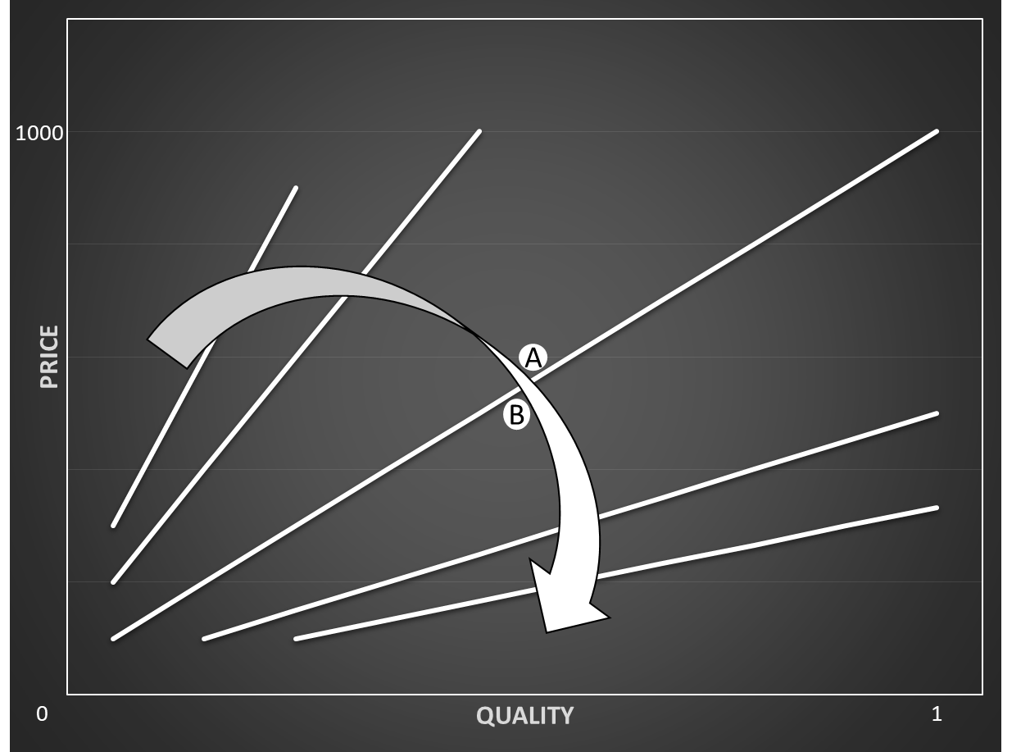
 | Formula = | ((1-(Qbest-Qi)*N)/Pi)*Pbest |  |  |  |  |  |  |  |  |  |  |  | Figure 1 shows two bids: bid A and bid B.
 |  |  |  |  |  |  |  |  |  |  |  |  |  | The direction for better performance determines
 | Qbest = | the highest quality from all the bids in the tender |  |  |  |  |  |  |  |  |  |  |  | which bid has a better score.
 | Qi = | quality index, the quality score from the relevant supplier |  |  |  |  |  |  |  |  |  |  |  | In this case this will be bid B.
 | N = | WQ / WP
 | Pi = | price index, the price score from the relevant supplier
 | Pbest = | the lowest price from all the bids in the tender
 | WQ = | the weight of the quality set by the buyer
 | WP = | the weight of the price set by the buyer

 | The direction for better performance
 | The direction for better performance shows which bid has a better score, see figure 1.
 | The arrow in figure 1 indicates the direction for better performance.
 | The bids on the same line has the same outcome. The lines are linear and shaped clockwise.

 | Influence of factor N
 | The factor N determines the weight of the quality and the price
 | If factor N = 1, then WQ = 0,5 and WP = 0,5. See figure 1. In that case the factor does not make any adjustments in the formula.
 | If factor N > 1, then WQ > 0,5 and WP < 0,5. In this situation the lines for the direction for better performance are steeper than in figure 1.
 | If factor N < 1, then WQ < 0,5 and WP > 0,5. In this situation the lines for the direction for better performance are more horizontal than in figure 1.

 | Price deficit
 | If the N has a great value the score of a bid can become negative. In this case the ranking is not reliable anymore.
 | To prevent this, the price deficit is used to determine the ranking
 | Formula = | Pi - (NX Ui score/Uibest * Pi)
 | Uibest = | the score of the best bid according to the NX Ui. |  |  |  |  |  |  |  | Figure 2, the direction for better performance. With Qbest = 1 and Pbest = 100
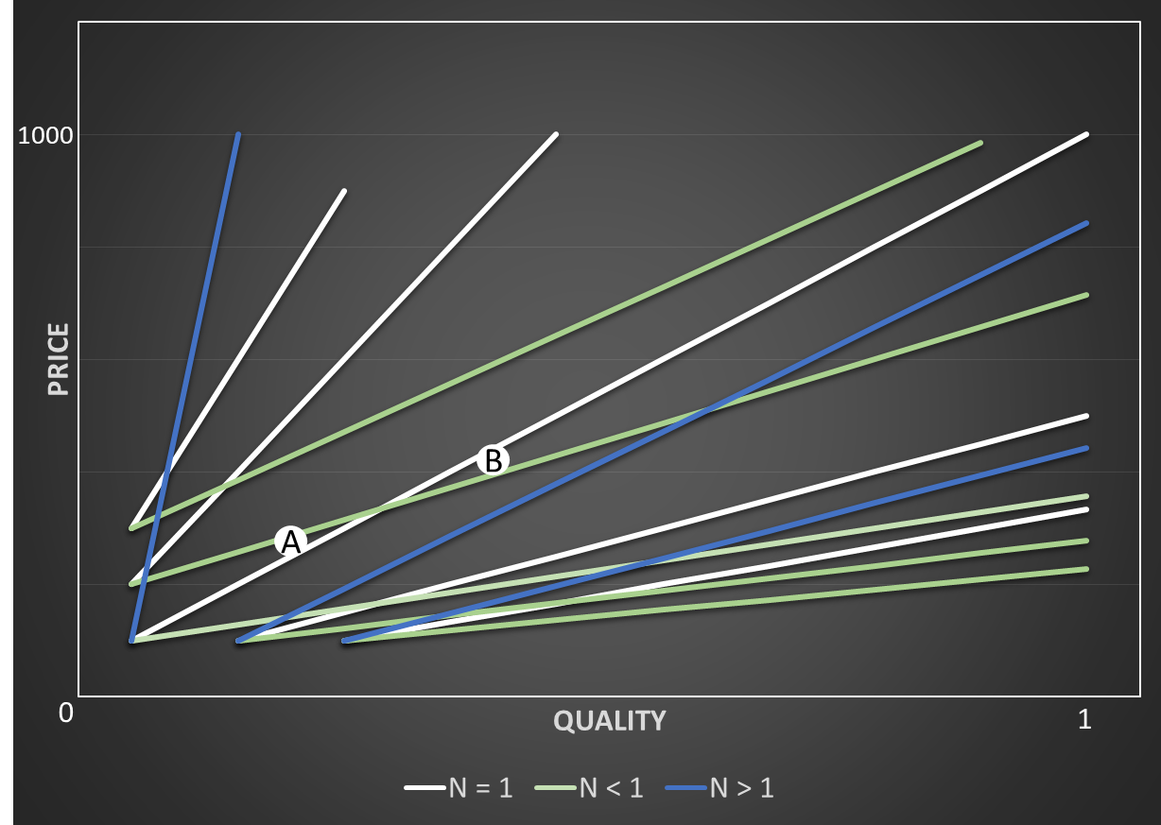
 | Best Buy price |  |  |  |  |  |  |  |  |  |  |  |  | Figure 2 shows two bids: bid A and bid B.
 | The bid with the highest score will be ranked first and is the most advantageous offer. |  |  |  |  |  |  |  |  |  |  |  |  | The parameter N influences the direction for
 | During the evaluation the Best Buy price will be calculated. |  |  |  |  |  |  |  |  |  |  |  |  | better performance and thus also the score
 | With the Best Buy price the supplier knows which price he should had offered to have the same score as the most advantageous offer |  |  |  |  |  |  |  |  |  |  |  |  | of bid A and bid B.
 | Formula = | NX Ui score/Uibest*Pi |  |  |  |  |  |  |  |  |  |  |  | If parameter N < 1 then bid A will be better
 |  |  |  |  |  |  |  |  |  |  |  |  |  | than bid B.
 | Influence of Qbest and Pbest |  |  |  |  |  |  |  |  |  |  |  |  | If parameter N = 1 then bid B will be better
 | If Qbest is high and Pbest is low the lines for the direction for better performance are steeper than in figure 1. |  |  |  |  |  |  |  |  |  |  |  |  | than bid A.
 | If Qbest is low and Pbest is high the lines for the direction for better performance are more horizontal than in figure 1.
 | The use of the Pbest en the Qbest means that the NX Ui is a relative scoring method and that it is opaque to the suppliers.
 | The value of the Pbest and the Qbest are depended on the bids of every supplier.
 | This means that the value is difficult to predict, because the bidding behaviour of the other suppliers are difficult to predict.

 | How to determine the most promising bid
 | Step 1 | Have a good understanding of the working of the NX Utility index.
 | Step 2 | Determine the value of the parameter N. This is predefined by the buyer.
 | Step 3 | Consider what the best quality and the best price could be.
 |  | This is difficult to predict, because we cannot know for sure what the bidding behaviour of the other suppliers will be.
 | Step 4 | Determine, with the help of the direction for better performance, the value of the N,
 |  | and the predicted value of the best quality and price, the direction in which you have to search to find the most promising bid.
 | Step 5 | Use the calculation model of the NX Utility index to calculate the outcome of the remaining alternatives
 |  | and choose the option with the highest score.

Calculation model of the NX Ui
 | = | Need to be filled in by the supplier itself
 | = | The most promising bid
 | = | Important information

Cost structure of the different sub-criteria
 | If you want to use the cost structure and your minimum margin of profit to choose the most promising bid, you have to fill in all the yellow cells.
 | It is also possible to choose the most promising bid based on your score of quality and an already determined price.
 | Then you have to fill in all the yellow cells except in Table 1 and the margin of profit. You do not have to use Table 3.

 | WQ = | 0.5 |  | The weight of the quality and the price is predefined by the buyer.
 | WP = | 0.5 |  | The weight of the quality and the price is together always 1
 | N = | 1

 | The score of the quality is often determined by several sub-criteria of the quality.
 | That is why there is Qi1 to Qi5. It is possible to use less than 5 sub-criteria.
 | Fill in the table below the estimated costs per sub-criteria to be able to score 0-10 points.
 |  | 0 | 1 | 2 | 3 | 4 | 5 | 6 | 7 | 8 | 9 | 10
 | Qi1 | € 500.00 | € 600.00 | € 700.00 | € 800.00 | € 900.00 | € 1,000.00 | € 1,100.00 | € 1,200.00 | € 1,300.00 | € 1,400.00 | € 1,500.00
 | Qi2 | € 1,500.00 | € 1,550.00 | € 1,600.00 | € 1,650.00 | € 1,700.00 | € 1,750.00 | € 1,800.00 | € 1,850.00 | € 1,900.00 | € 1,950.00 | € 2,000.00
 | Qi3 | € 180.00 | € 360.00 | € 540.00 | € 720.00 | € 900.00 | € 1,080.00 | € 1,260.00 | € 1,440.00 | € 1,620.00 | € 1,800.00 | € 1,980.00
 | Qi4 | € 110.00 | € 130.00 | € 170.00 | € 250.00 | € 410.00 | € 730.00 | € 890.00 | € 970.00 | € 1,010.00 | € 1,030.00 | € 1,040.00
 | Qi5 | € - | € 10.00 | € 30.00 | € 60.00 | € 100.00 | € 150.00 | € 210.00 | € 330.00 | € 570.00 | € 1,050.00 | € 2,010.00
 | Table 1

 | Look at Figure 3, determine per bid and per sub--criterion of the quality a grade between 0 and 10 in the table below.
 | It is possible to fill in 1 to 10 bids.
 |  | Bid 1 | Bid 2 | Bid 3 | Bid 4 | Bid 5 | Bid 6 | Bid 7 | Bid 8 | Bid 9 | Bid 10
 | Qi1 = | 7 | 6 | 5 | 6 | 8 | 4 | 9 | 5 | 8 | 8
 | Qi2 = | 6 | 5 | 7 | 7 | 7 | 6 | 6 | 3 | 9 | 6
 | Qi3 = | 5 | 5 | 6 | 6 | 6 | 4 | 8 | 3 | 8 | 7
 | Qi4 = | 6 | 6 | 7 | 7 | 7 | 5 | 8 | 6 | 7 | 8
 | Qi5 = | 6 | 6 | 6 | 6 | 6 | 5 | 8 | 5 | 8 | 8
 | Table 2

 | Determine the minimum margin of profit = | 50%
 |  | Bid 1 | Bid 2 | Bid 3 | Bid 4 | Bid 5 | Bid 6 | Bid 7 | Bid 8 | Bid 9 | Bid 10 |  | Figure 3
 | Cost of Qi1 | € 1,200.00 | € 1,100.00 | € 1,000.00 | € 1,100.00 | € 1,300.00 | € 900.00 | € 1,400.00 | € 1,000.00 | € 1,300.00 | € 1,300.00
 | Cost of Qi2 | € 1,800.00 | € 1,750.00 | € 1,850.00 | € 1,850.00 | € 1,850.00 | € 1,800.00 | € 1,800.00 | € 1,650.00 | € 1,950.00 | € 1,800.00
 | Cost of Qi3 | € 1,080.00 | € 1,080.00 | € 1,260.00 | € 1,260.00 | € 1,260.00 | € 900.00 | € 1,620.00 | € 720.00 | € 1,620.00 | € 1,440.00
 | Cost of Qi4 | € 890.00 | € 890.00 | € 970.00 | € 970.00 | € 970.00 | € 730.00 | € 1,010.00 | € 890.00 | € 970.00 | € 1,010.00
 | Cost of Qi5 | € 210.00 | € 210.00 | € 210.00 | € 210.00 | € 210.00 | € 150.00 | € 570.00 | € 150.00 | € 570.00 | € 570.00
 | Cost of Qi | € 5,180.00 | € 5,030.00 | € 5,290.00 | € 5,390.00 | € 5,590.00 | € 4,480.00 | € 6,400.00 | € 4,410.00 | € 6,410.00 | € 6,120.00
The various bids
 | Pi to reach minimum margin of profit | € 10,360.00 | € 10,060.00 | € 10,580.00 | € 10,780.00 | € 11,180.00 | € 8,960.00 | € 12,800.00 | € 8,820.00 | € 12,820.00 | € 12,240.00
 | Table 3

 | Fill in per bid the price (Pi) in the table below.
 | The Pi can be based on the Pi determined in the table above. We recommend to use this Pi if you want to reach the minimimum margin of profit.
 | Look at Figure 4 to see the various bids and to be abe to compare them.
 | Qi = | 0.6 | 0.56 | 0.62 | 0.64 | 0.68 | 0.48 | 0.78 | 0.44 | 0.8 | 0.74
 | Pi = | € 10,360.00 | € 10,060.00 | € 10,580.00 | € 10,780.00 | € 11,180.00 | € 8,960.00 | € 12,800.00 | € 8,820.00 | € 12,820.00 | € 12,240.00
 | Table 4

 | Estimate the Qbest and Pbest.
 | A Qbest = | 0.8 |  | Estimate the value of the best (highest) quality. This has to be between 0 and 1
 | A Pbest = | € 9,000.00 |  | Estimate the value of the best (lowest) price.

 |  | Bid 1a | Bid 2a | Bid 3a | Bid 4a | Bid 5a | Bid 6a | Bid 7a | Bid 8a | Bid 9a | Bid 10a
 | NX UI score | 0.69498069498 | 0.67992047714 | 0.69754253308 | 0.7012987013 | 0.7084078712 | 0.68303571429 | 0.6890625 | 0.65306122449 | 0.70202808112 | 0.69117647059
 | Price dificit | € 196.36 | € 404.55 | € 162.27 | € 108.18 | € - | € 320.91 | € 349.55 | € 689.09 | € 115.45 | € 297.73
 | Best buy | € 10,163.64 | € 9,655.45 | € 10,417.73 | € 10,671.82 | € 11,180.00 | € 8,639.09 | € 12,450.45 | € 8,130.91 | € 12,704.55 | € 11,942.27
 | Table 5

 | NX UI best | 0.7084078712

 | To be able to compare the scores of the bids with a different Qbest and Pbest, it is possible to fill in a second Qbest en Pbest below.
 | B Qbest = | 0.9 |  | Estimate the value of the best (highest) quality. This has to be between 0 and 1
 | B Pbest = | € 8,000.00 |  | Estimate the value of the best (lowest) price.

 |  | Bid 1b | Bid 2b | Bid 3b | Bid 4b | Bid 5b | Bid 6b | Bid 7b | Bid 8b | Bid 9b | Bid 10b
 | NX UI score | 0.540540541 | 0.524850895 | 0.544423440 | 0.549165121 | 0.558139535 | 0.517857143 | 0.550000000 | 0.489795918 | 0.56162246 | 0.549019608
 | Price dificit | € 388.89 | € 658.67 | € 324.00 | € 239.11 | € 69.33 | € 698.22 | € 264.89 | € 1,128.00 | € - | € 274.67
 | Best buy | € 9,971.11 | € 9,401.33 | € 10,256.00 | € 10,540.89 | € 11,110.67 | € 8,261.78 | € 12,535.11 | € 7,692.00 | € 12,820.00 | € 11,965.33 |  | Figure 4
 | Table 6

 | NX UI best | 0.5616224649

